External Verification Reports
Antofagasta plc Sustainability Databook
 |  |  |  |  | Version 03.2025
 |  |  |  |  | Date 17.08.2026

 |  | Content

 |  | Link |  | 2025 Antofagasta plc - Limited Assurance Verification Report
 |  | Link |  | 2025 Antofagasta plc - Report of GHG Independent Review
 |  | Link |  | 2025 Mining Division - External Verification of ICMM - Mining Principles - Performance Expectations
 |  | Link |  | 2024 Mining Division - Limited Assurance Verification Report
 |  | Link |  | 2024 Mining Division - Report of GHG Independent Review
 |  | Link |  | 2024 Transport Division - Report of GHG Independent Review
 |  | Link |  | Updated 2020 to 2023 Mining Division - Report of GHG Independent Review
 |  | Link |  | 2020 to 2023 Transport Division - Report of GHG Independent Review
 |  | Link |  | Mining Division- ISO 14001
 |  | Link |  | Mining Division - ISO 50001
 |  | Link |  | FCAB - ISO 14001; 45001; 9001

 |  |  | Return to main content
 | Mining Division - 2024 Limited Assurance Verification Report

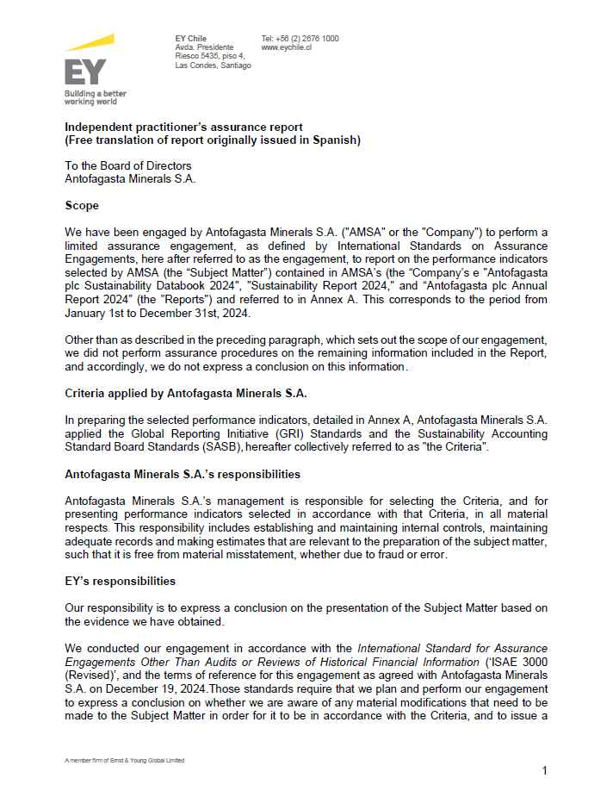

 |  |  | Mining Division - 2024 Limited Assurance Verification Report

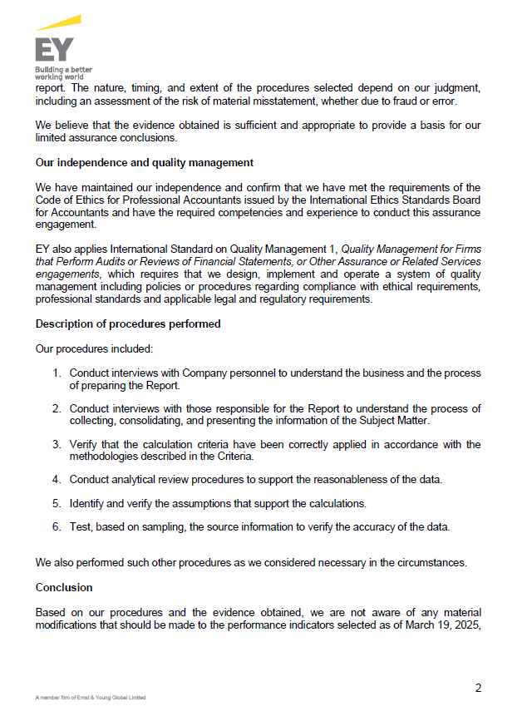

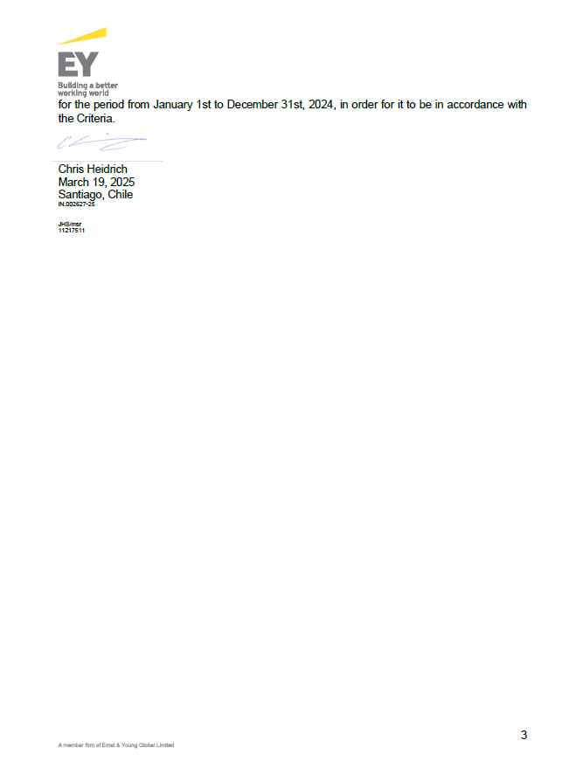

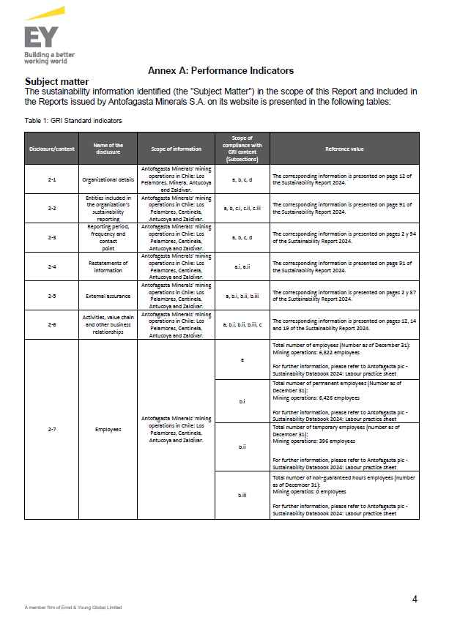

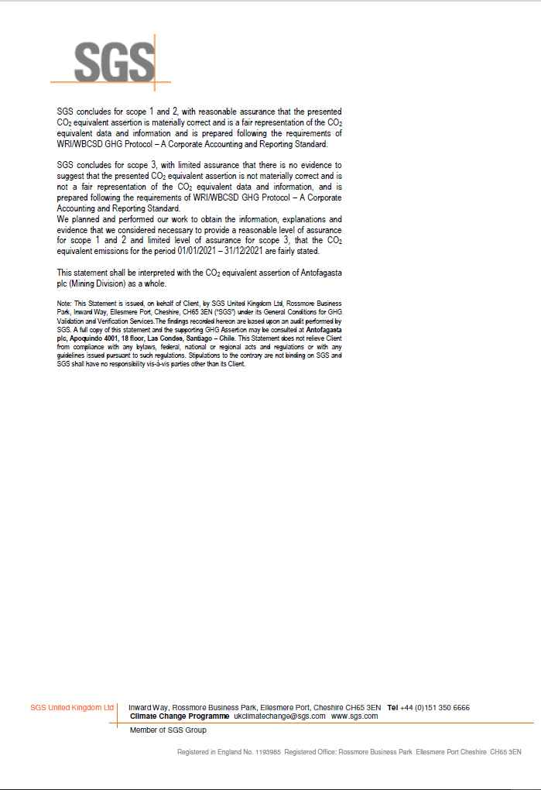
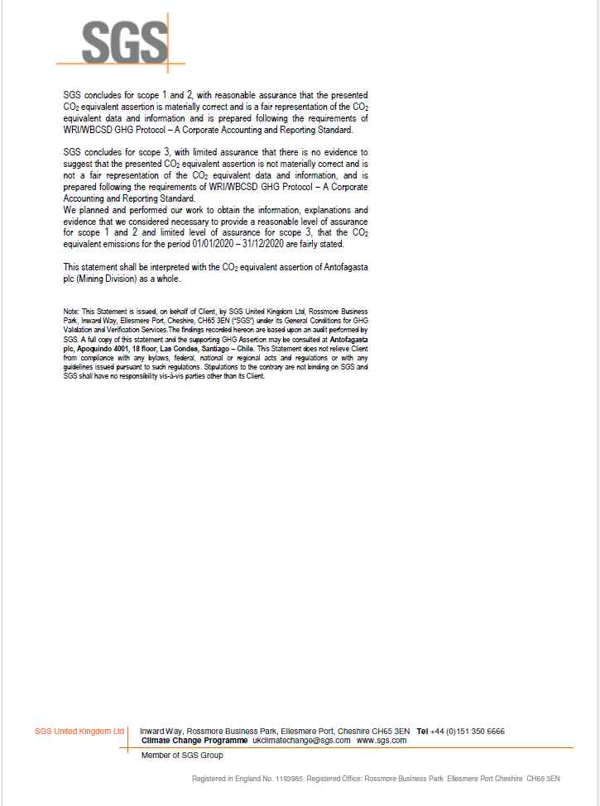

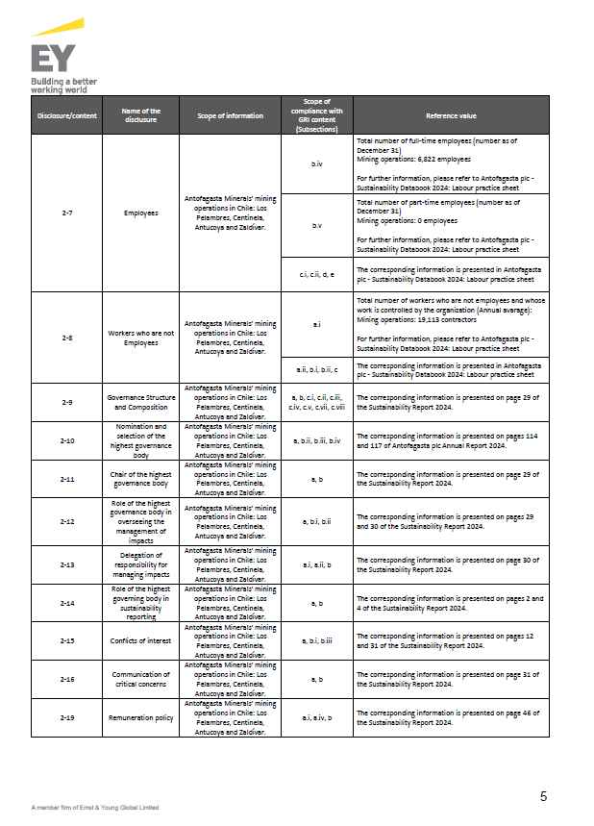

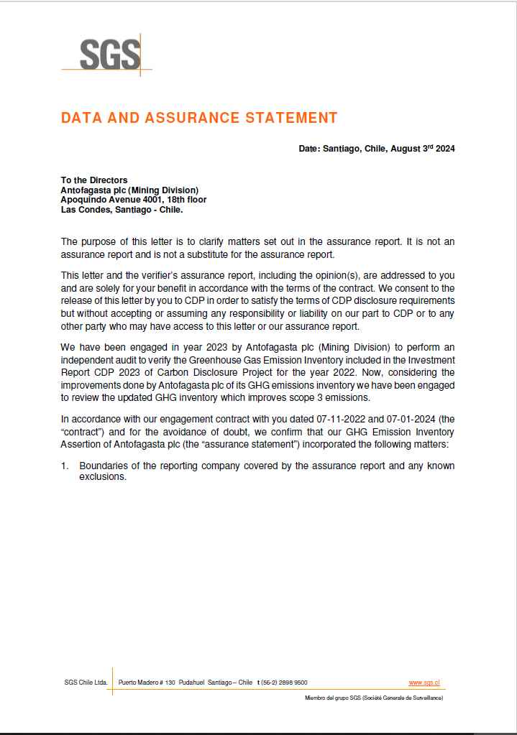
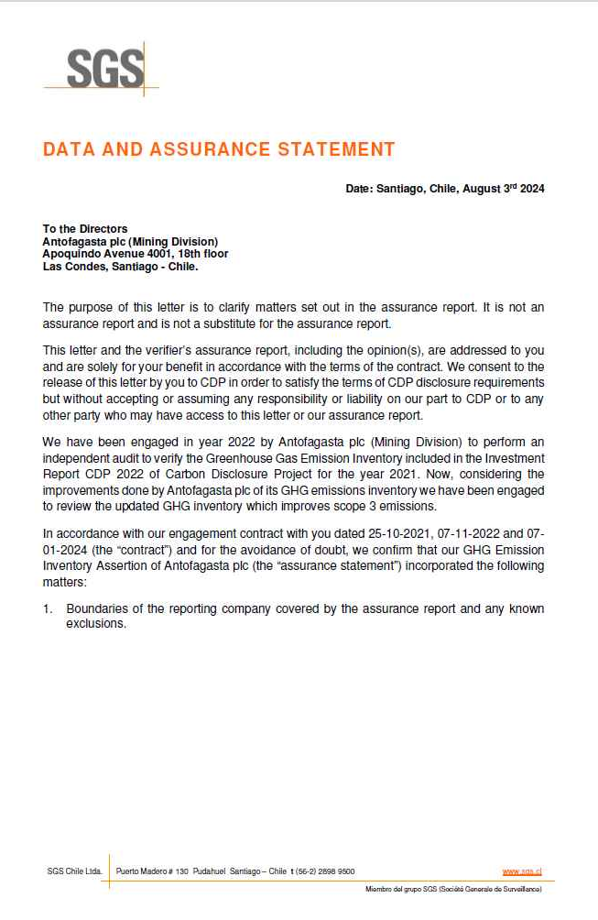
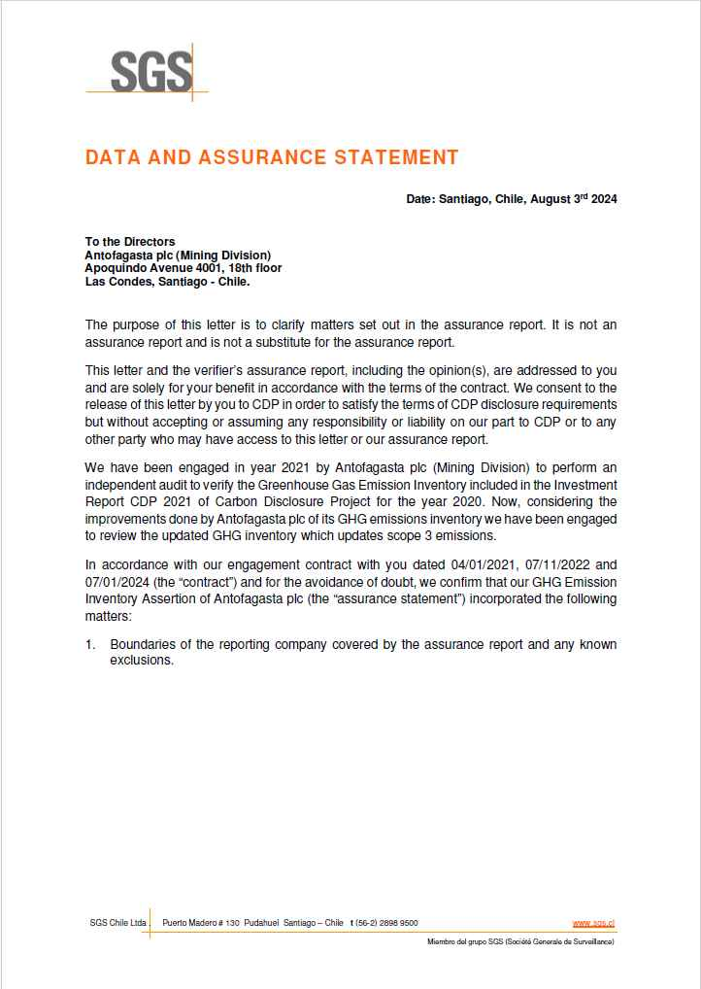

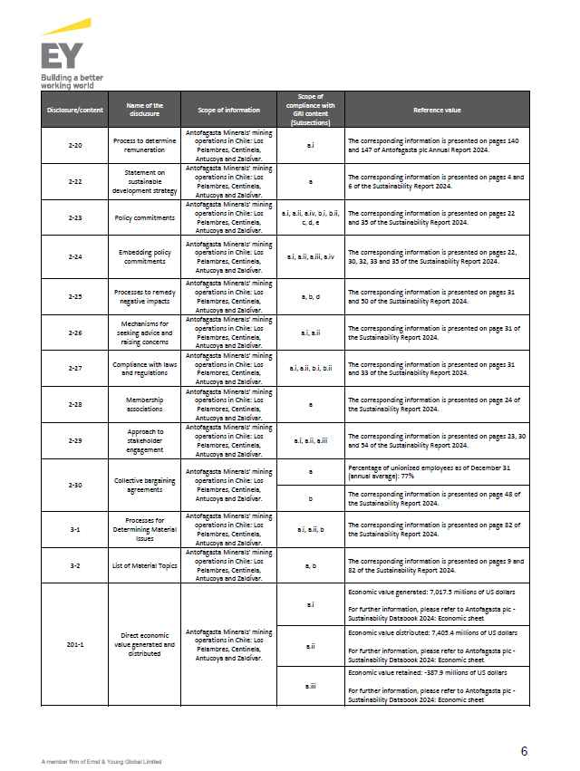

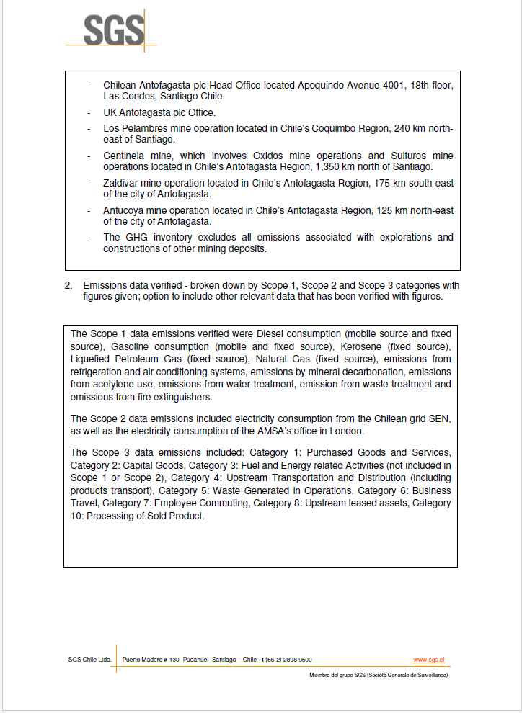
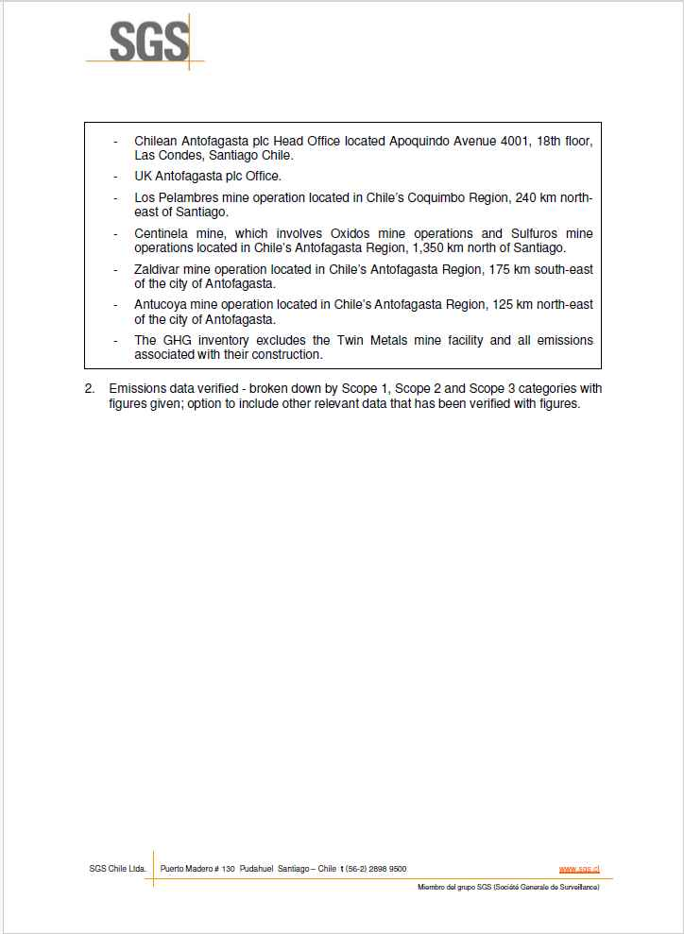
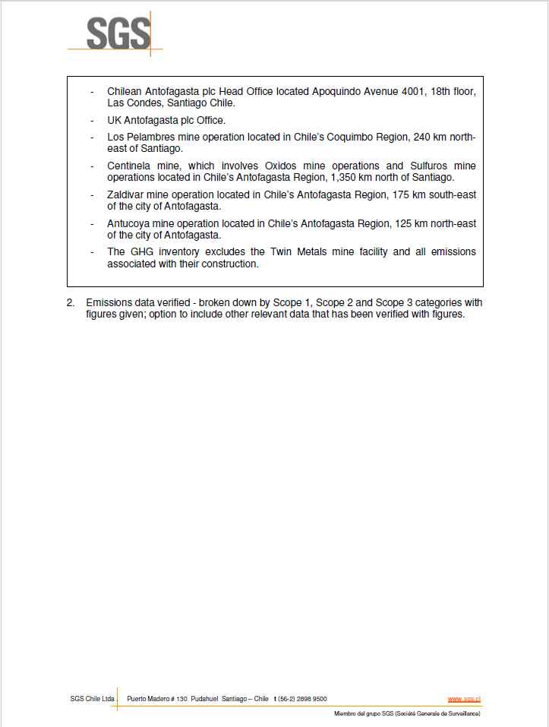

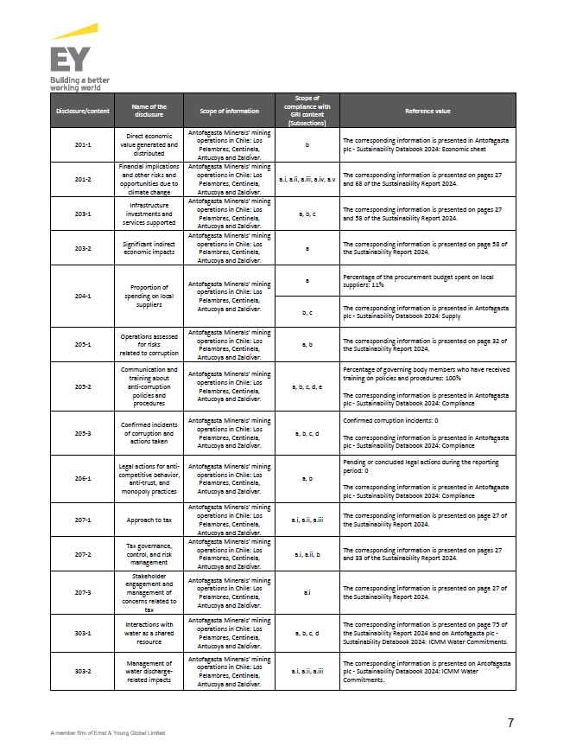

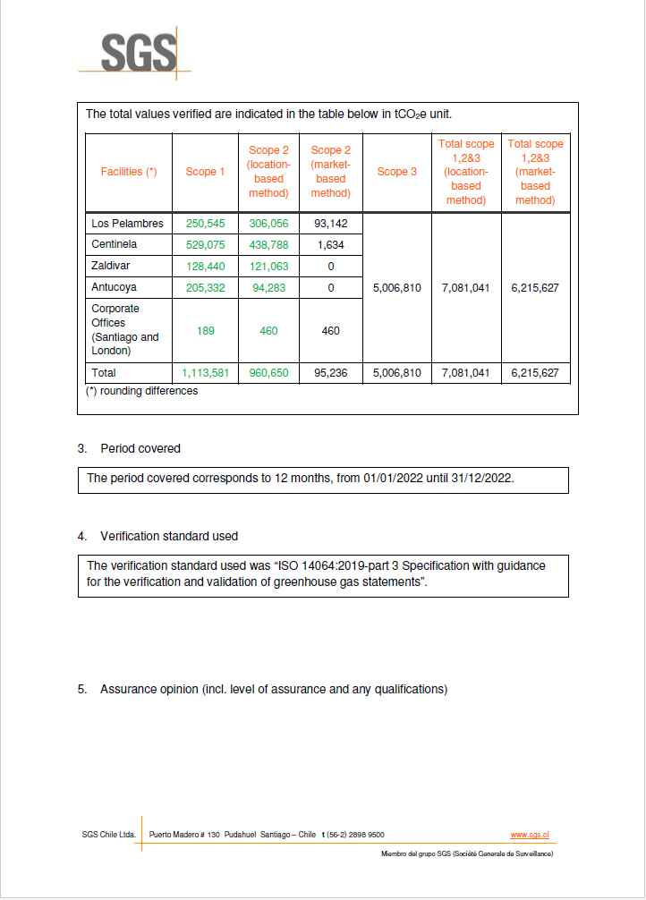
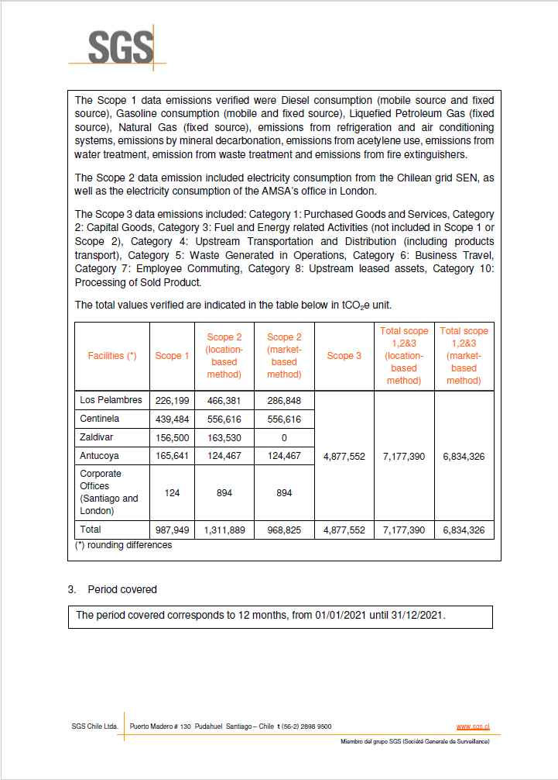
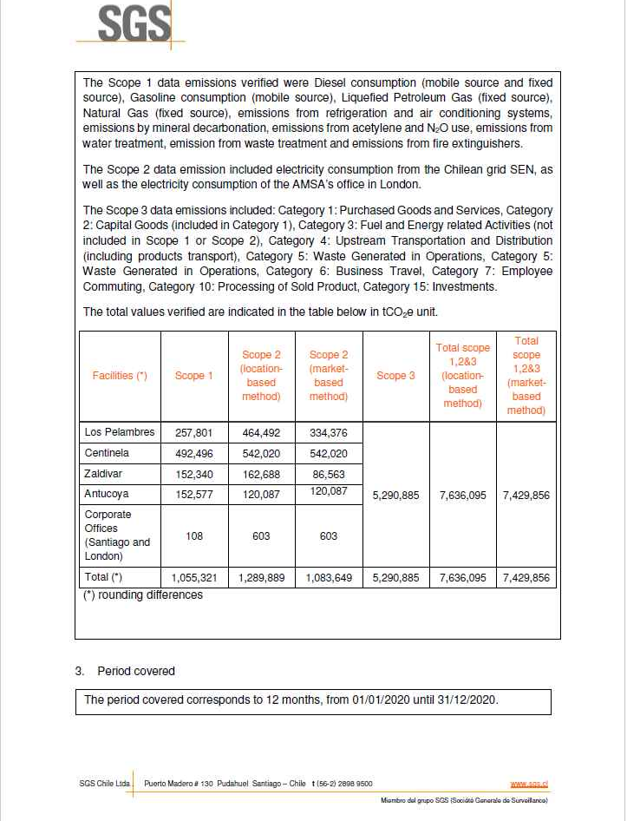

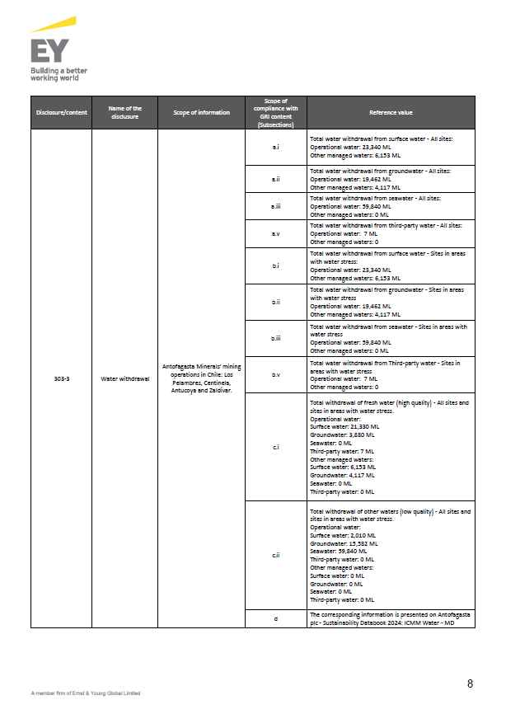

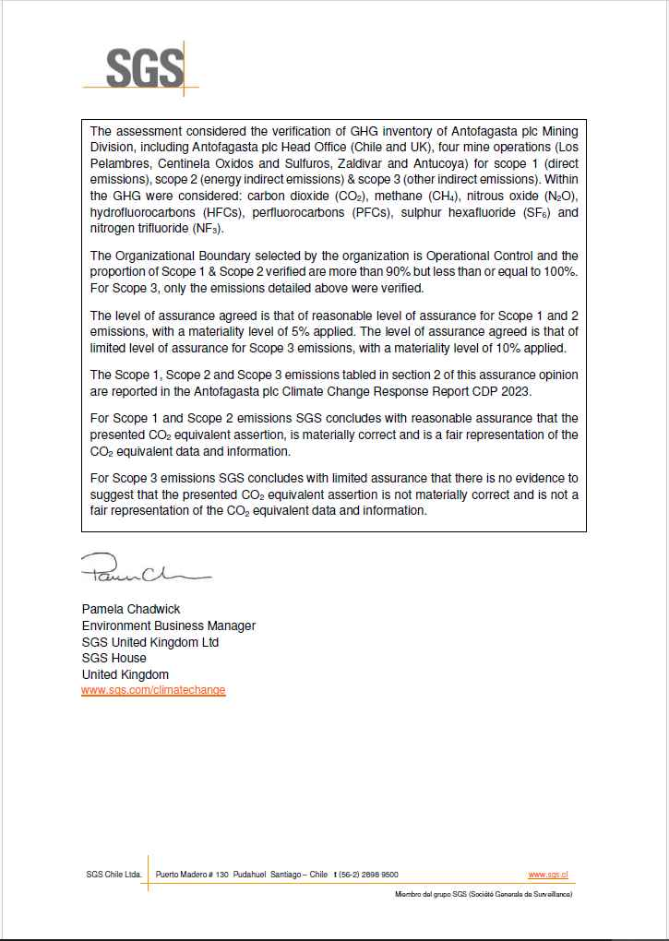
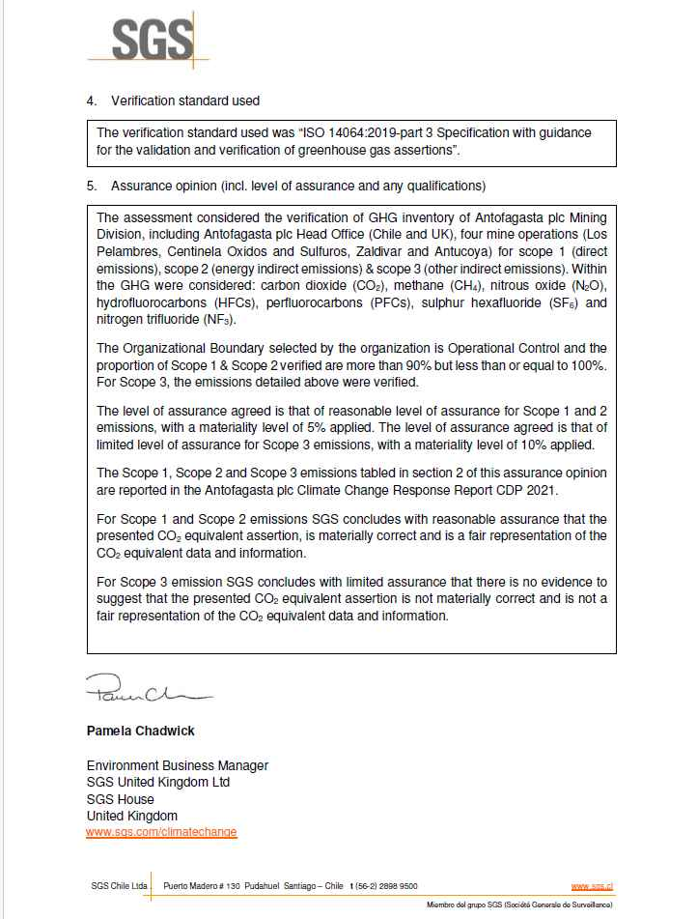
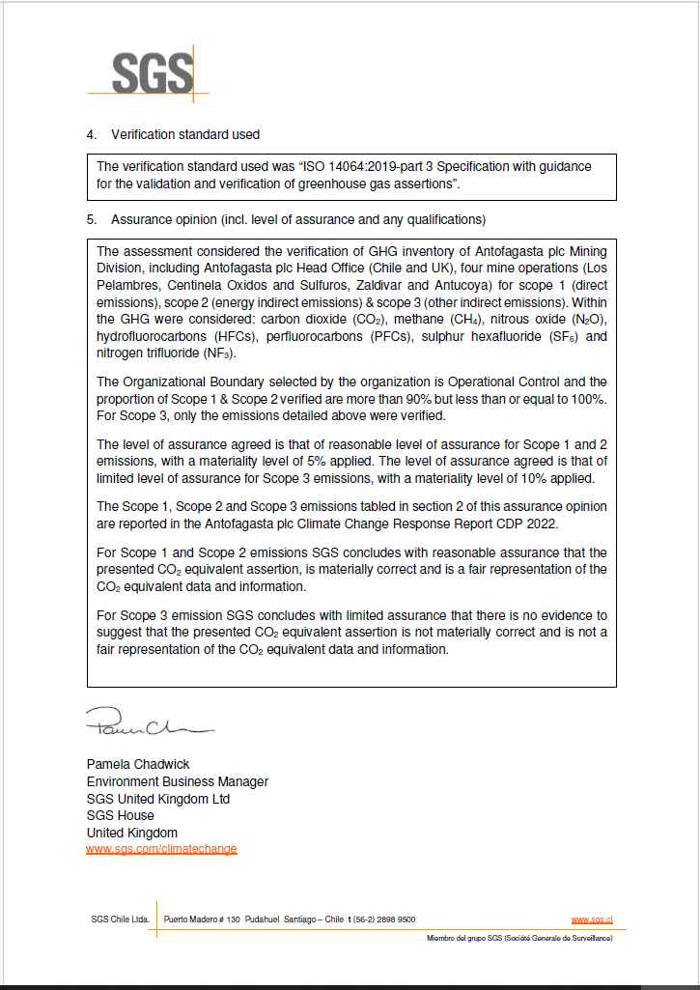

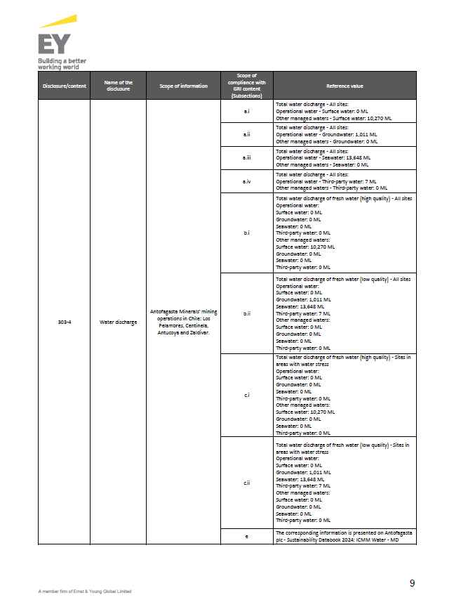

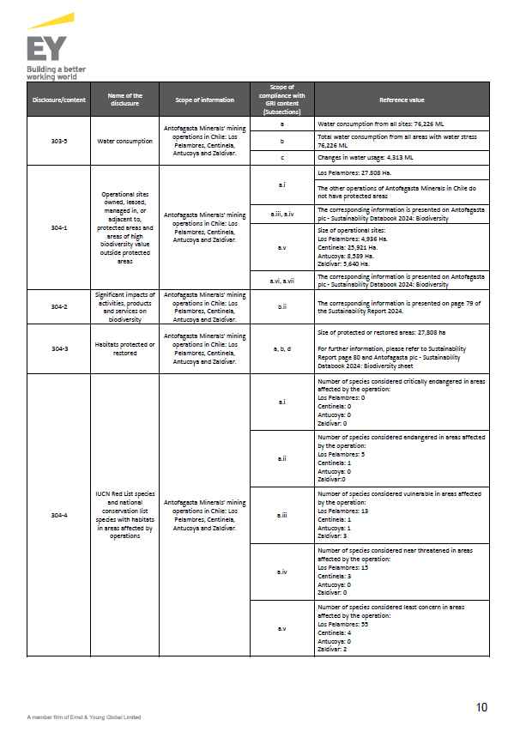

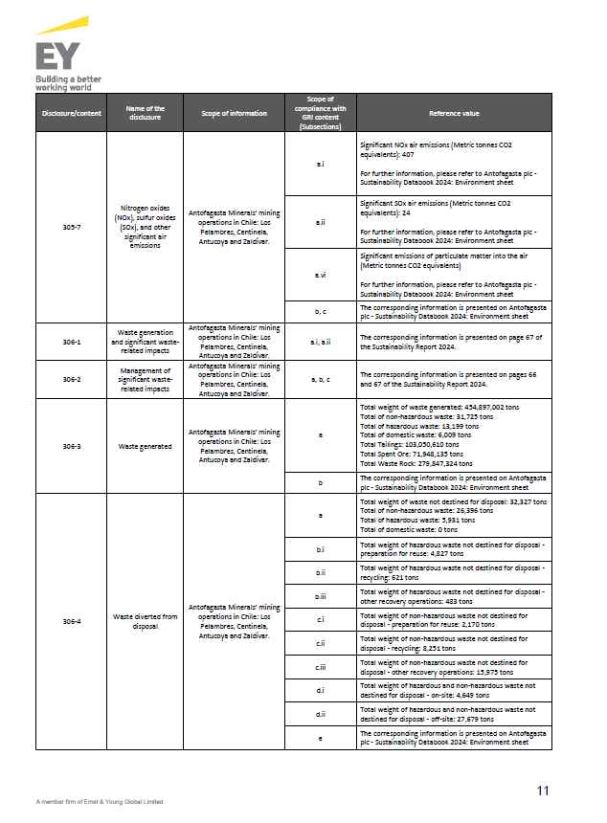

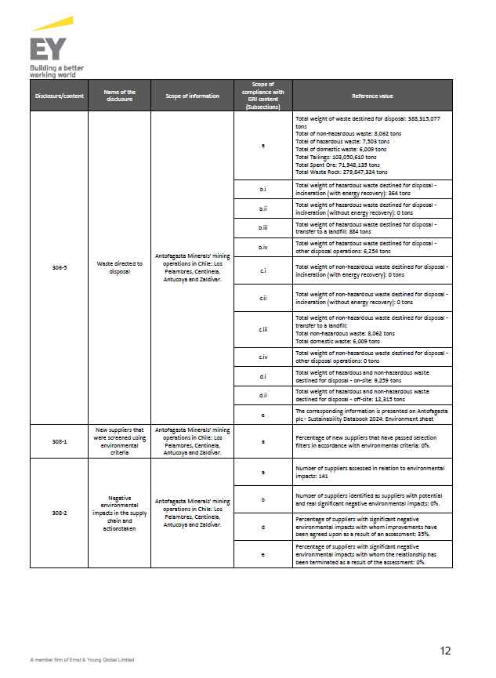

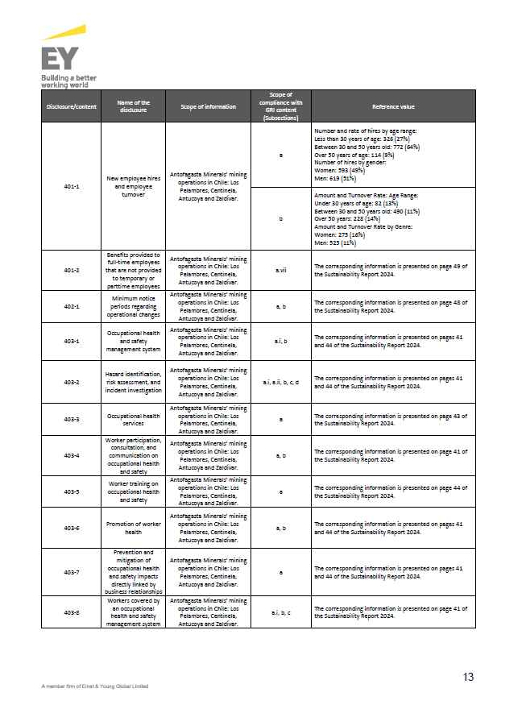

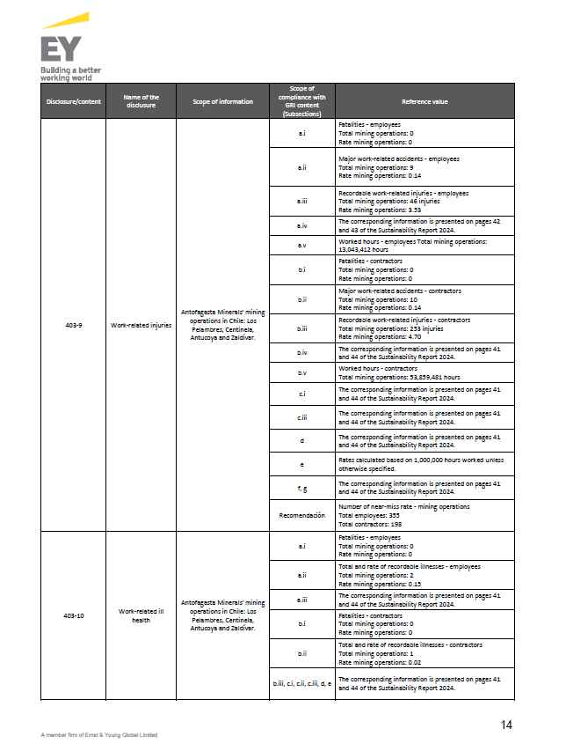

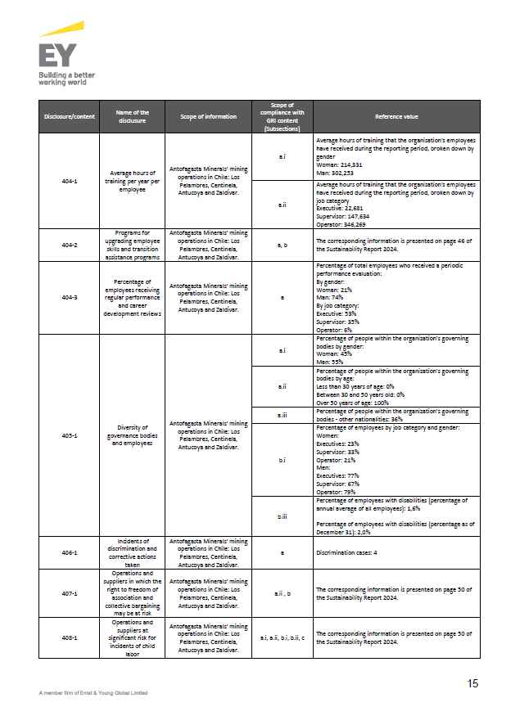

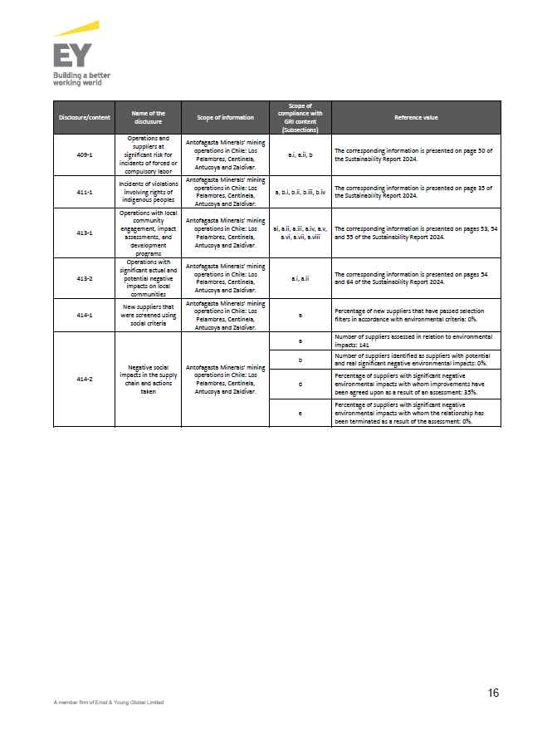

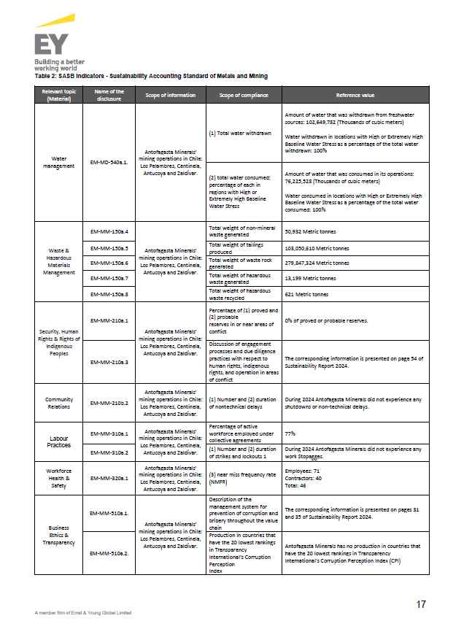

 |  | Return to main content

 |  | Return to main content

 |  |  | Return to main content
 |  | 2024 Transport Division - Report of GHG Independent Review

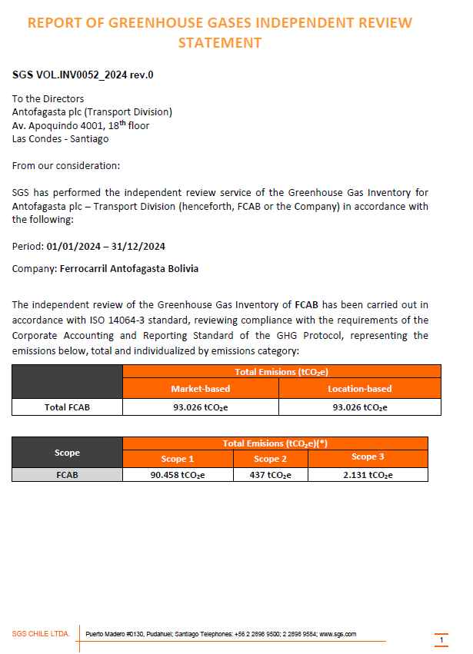
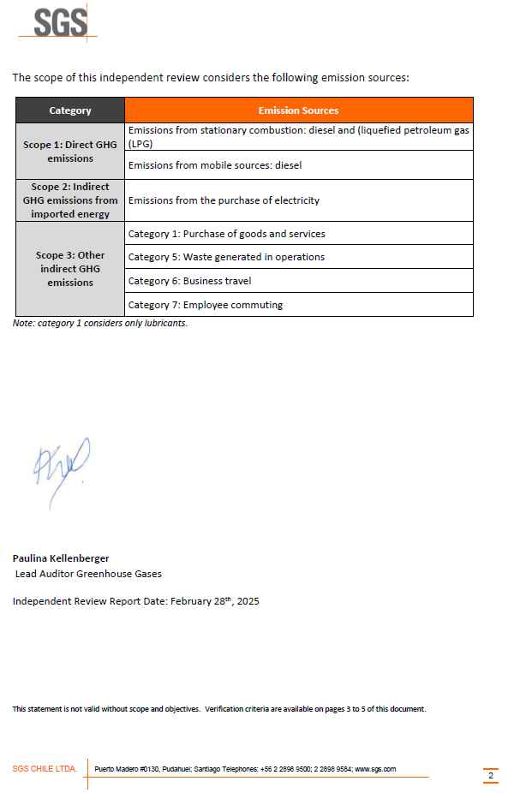

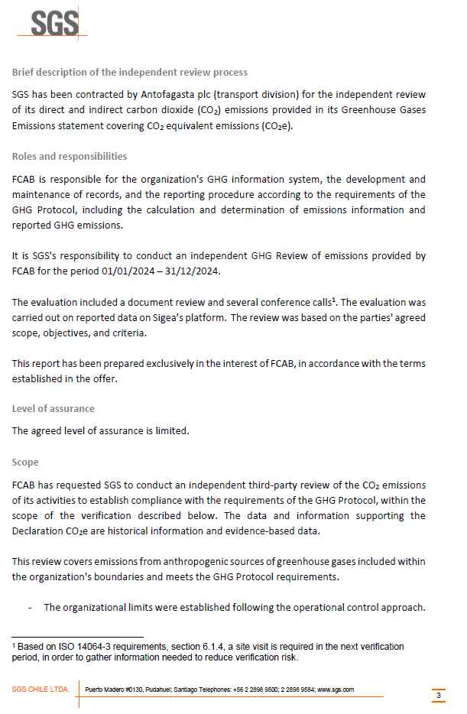
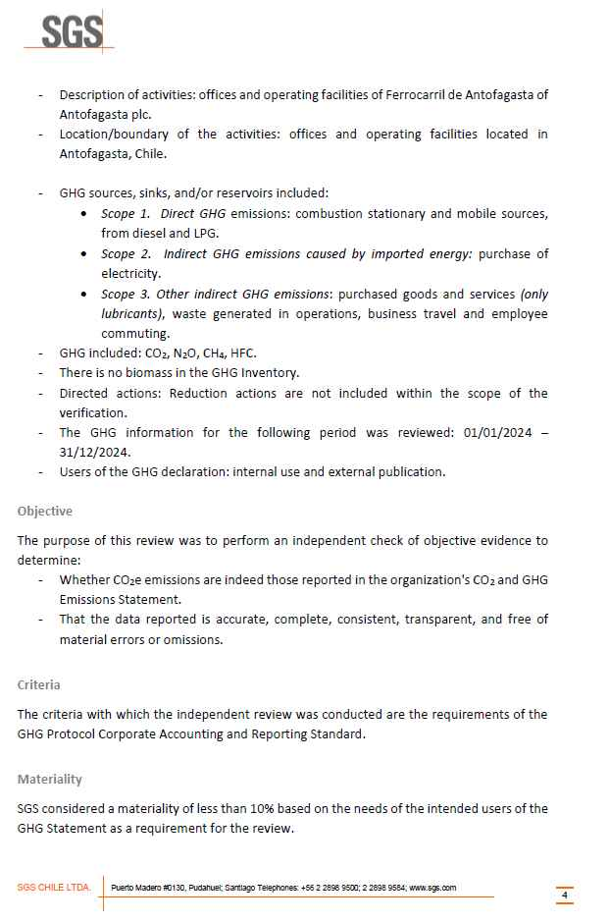

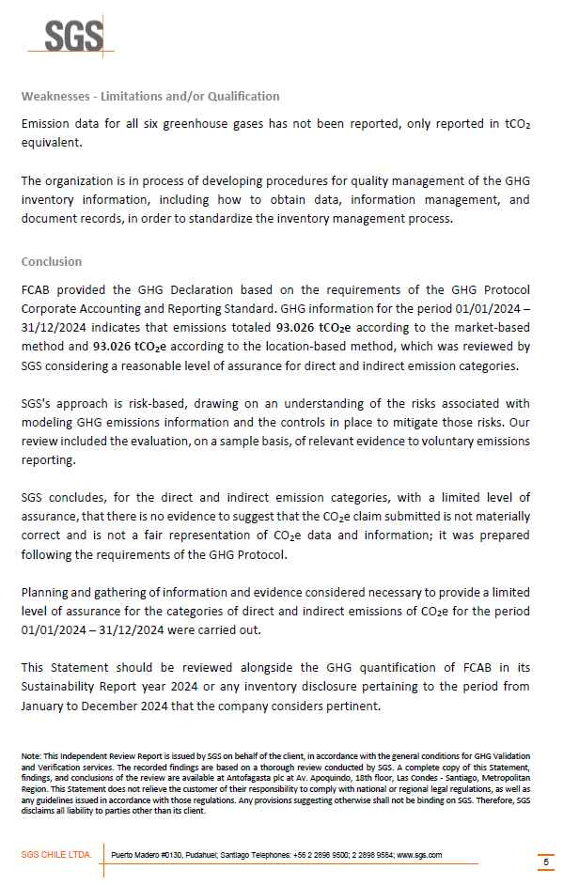

 |  | Return to main content

 |  |  | Return to main content
 |  | Zaldívar Certificate - ISO 14001:2015

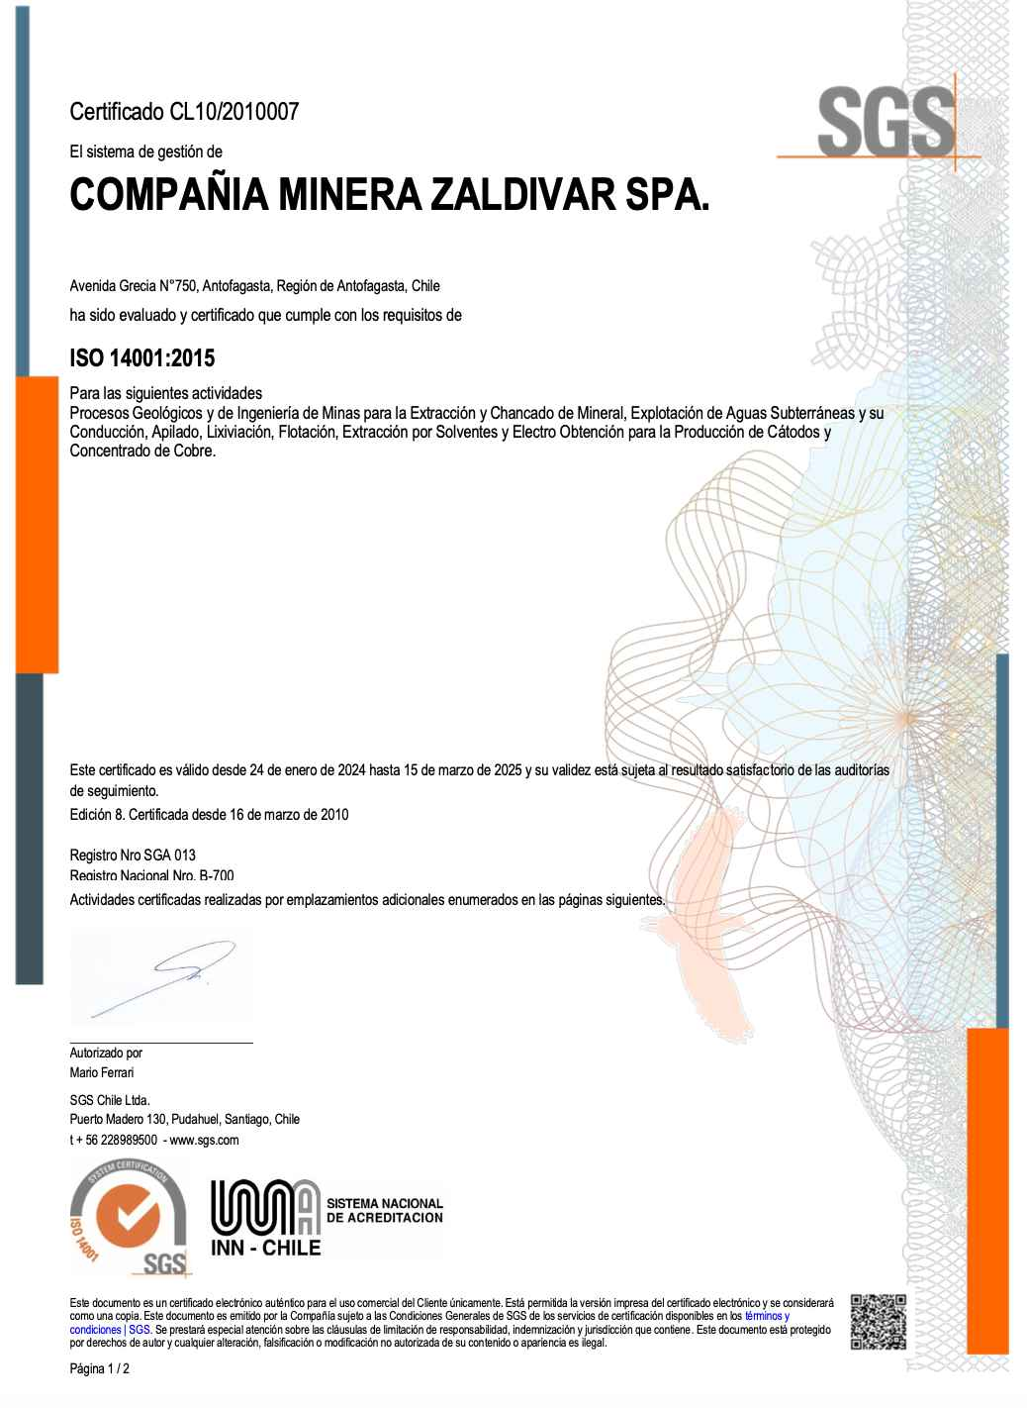
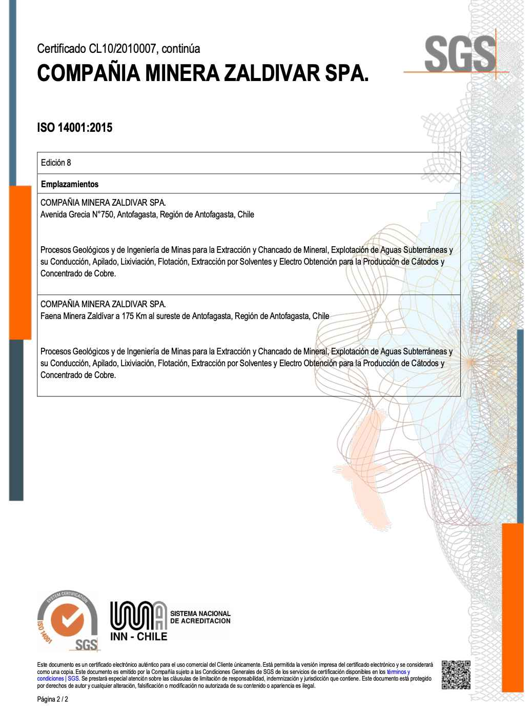

 |  | Return to main content

 |  |  | Return to main content
 |  | Mining Division - Bureau Veritas Certification ISO 50001:2018

 |  | Return to main content

 |  | 2024 Mining Division - Report of GHG Independent Review

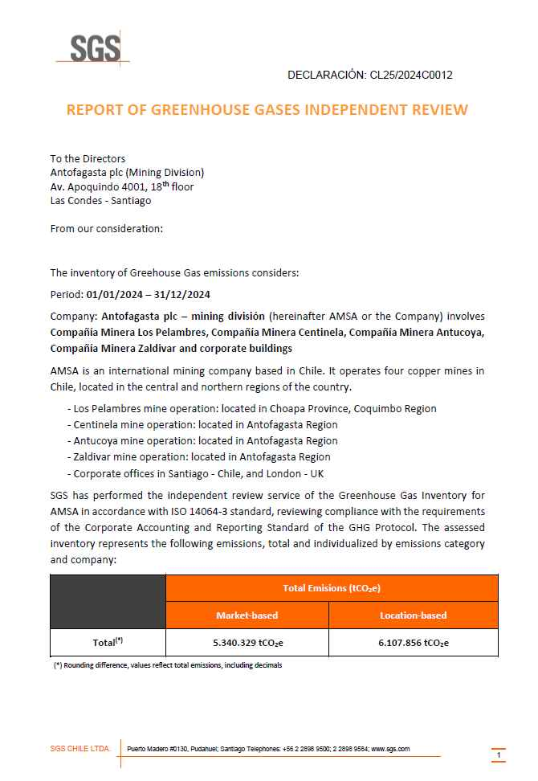

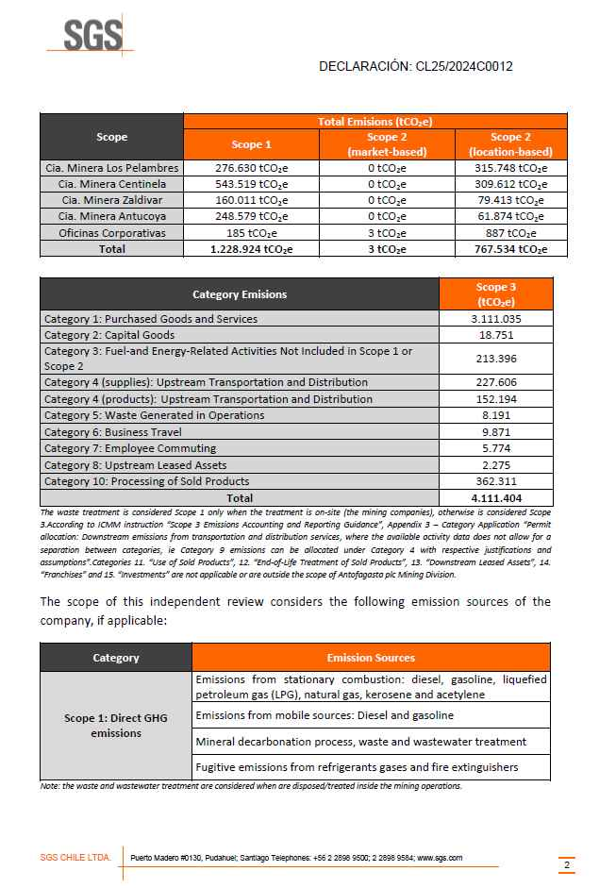

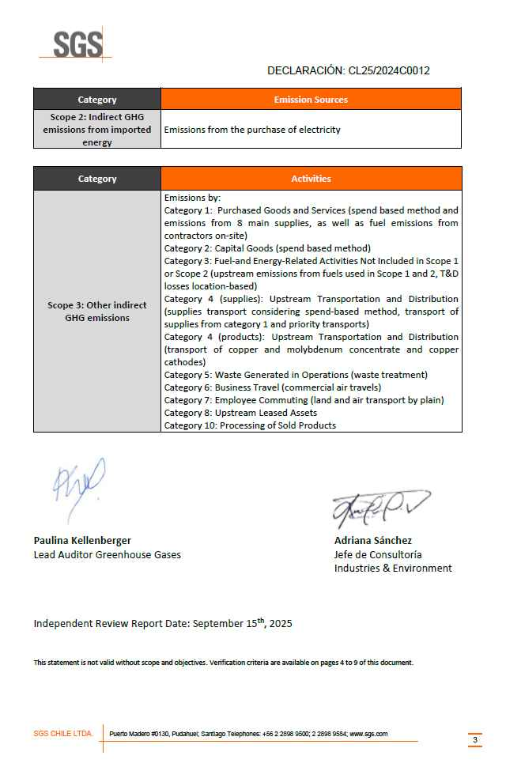

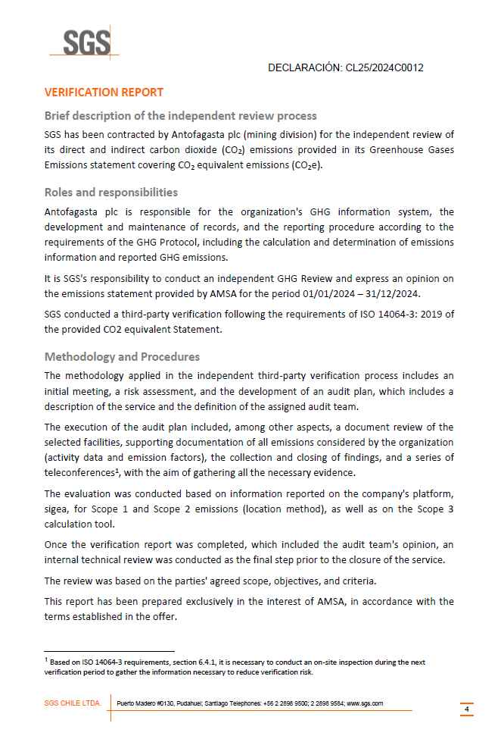

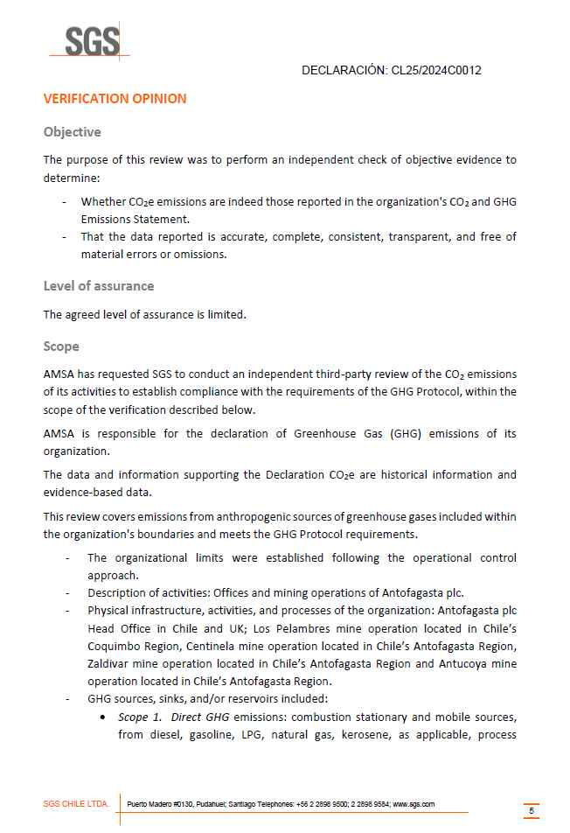

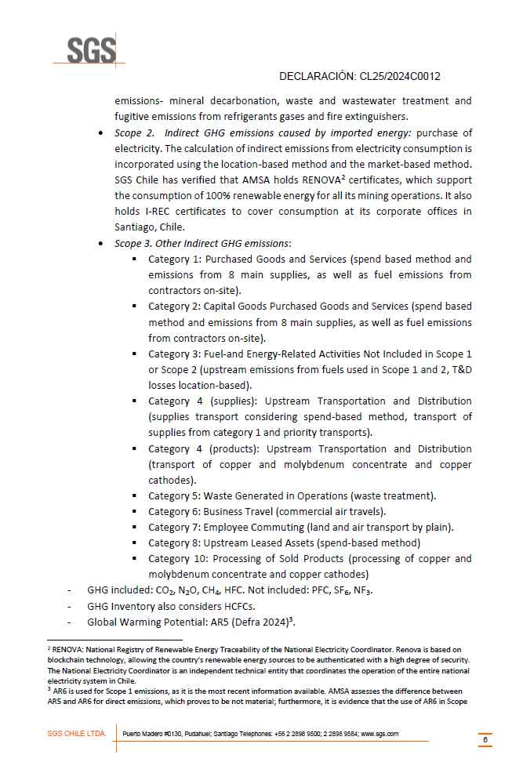

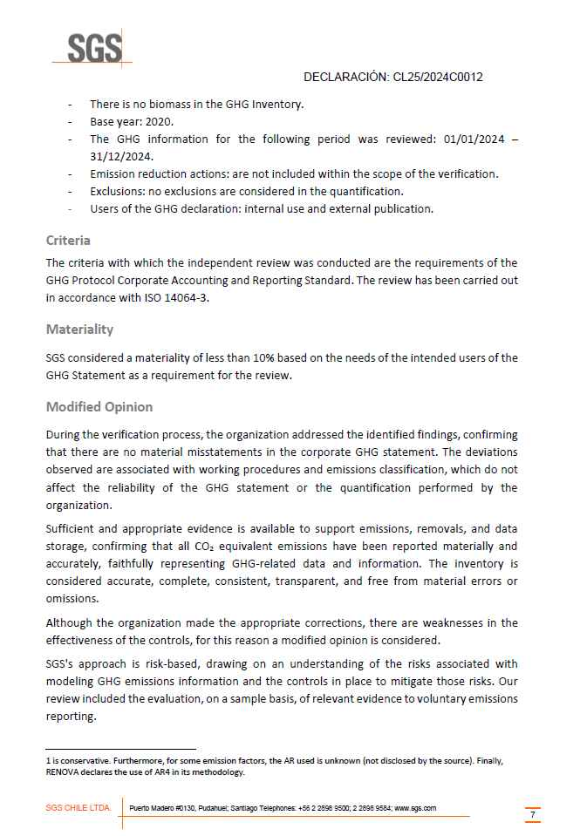

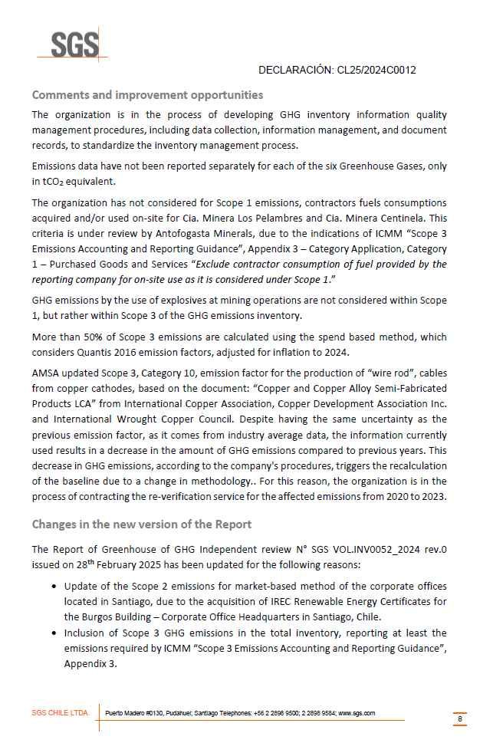

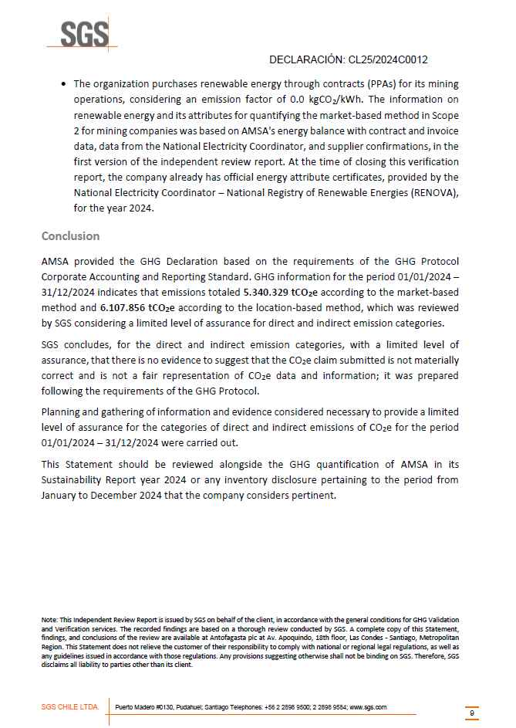

 |  | Return to main content

 |  |  | Return to main content
 | Antofagasta plc - 2025 Limited Assurance Verification Report

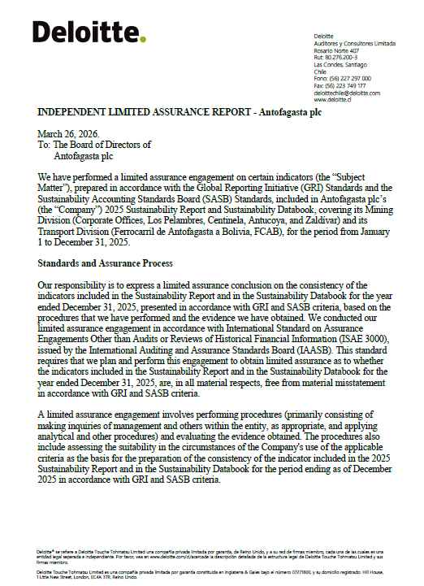

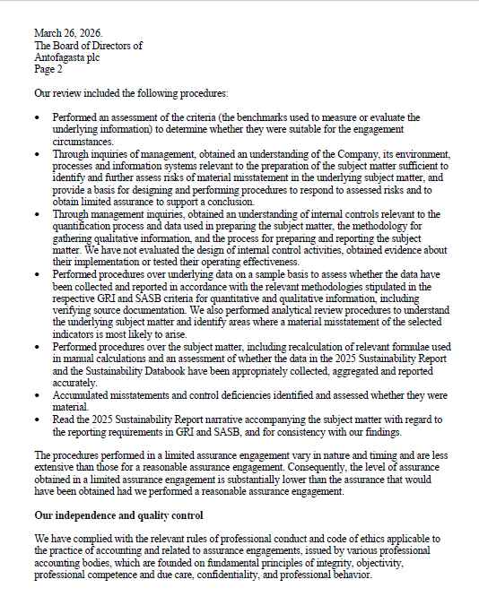

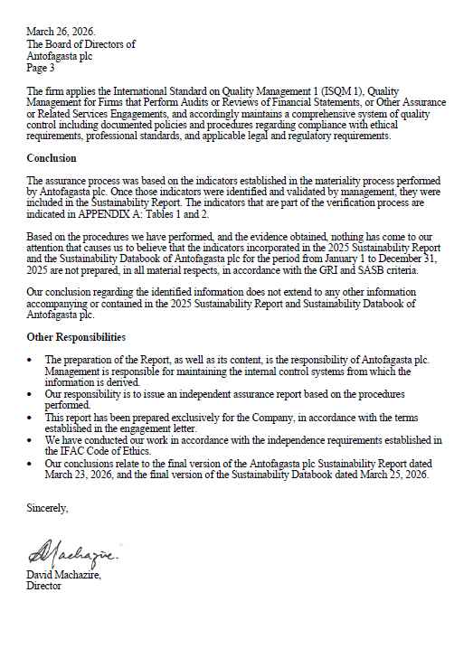





























 |  | Return to main content

 |  |  | Return to main content
 | Antofagasta plc - 2025 Report of GHG Independent Review
























 |  | Return to main content

 |  |  | Return to main content
 | 2025 Mining Division - External Verification of ICMM - Mining Principles- Performance Expectations









































 |  | Return to main content

 |  | FCAB - Bureau Veritas Certification ISO 9001;ISO 14001; ISO 45001













 |  | Return to main content

 |  |  | Return to main content
 | Updated 2020 - 2023 Mining Division - Report of GHG Independent Review










































 |  | Return to main content

 | Updated 2020 - 2023 Mining Division - Report of GHG Independent Review




































 |  | Return to main content

GISTM
GISTM - Mining Division Sustainability Databook

» Global Industry Standard on Tailings Management disclosure.
» GRI 14.6.2, GRI 14.6.3
Estándar Global de Gestión de Relaves para la Industria Minera (GISTM)
Nombre de la Instalación | Depósito de relave espesados de Minera Centinela | Tranque de relave El Mauro | Tranque Quillayes | Depósito de relaves convencional Minera Zaldívar
(15.1 B.1) Descripción de la Instalación. | El Depósito de Relaves Espesados (DRE) de Minera Centinela se encuentra ubicado a 21,5 kms. de la localidad de Sierra Gorda, en la comuna del mismo nombre, en la región de Antofagasta. Es un Depósito de Relaves Espesados a gran escala cuya operación se inició en el año 2011. En el DRE de Minera Centinela el relave es acondicionado para la depositación en una planta de espesamiento que cuenta con 6 espesadores, 3 de ellos de alta densidad y 3 de pasta. El relave producido en el DRE posee una concentración en peso de un 65% de material sólido. La contención del DRE se realiza a través de dos muros principales, los muros Norte y Sur. La capacidad de depositación se alcanza mediante cuatro etapas de crecimiento sucesivo. Actualmente el crecimiento se encuentra con una altura de 61 m para el Muro Principal y 34,2 m para el Muro Secundario. Al término de su vida útil el Depósito alcanzará una capacidad de 750 millones de toneladas de relave espesados. (RCA N°325/2017). | El Tranque de relaves El Mauro se encuentra ubicado en la comuna de Los Vilos, región de Coquimbo, a aproximadamente 12 km de la localidad de Caimanes. Es un depósito construido con arenas compactadas, mediante el método aguas abajo y se encuentra en operación desde el año 2009. Su construcción y funcionamiento está autorizado por la RCA Nº38 del año 2004 y cuenta con todos los permisos sectoriales vigentes. En su etapa final alcanzará una altura de 237 metros, con una capacidad de 1.700 millones de toneladas de relave y se estima su funcionamiento hasta el año 2035 . El muro se construye mediante depositación hidráulica de arenas, sobre un sistema de drenaje, el cual conduce las aguas presentes en el cuerpo del muro hacia piscinas de recuperación. La instalación cuenta con un sistema de monitoreo robusto, el cual mide tanto parámetros para asegurar la estabilidad geotécnica del muro, como variables ambientales de calidad de agua y aire. | El Tranque de relaves Quillayes se encuentra ubicado en la comuna de Salamanca, región de Coquimbo, a aproximadamente 10 km de la localidad de Cuncumén, con una altitud media de 1400 m s.n.m. Es un depósito construido con arenas compactadas, mediante el método aguas abajo y se encuentra en etapa de post- operación desde el año 2009. Su construcción y funcionamiento fue autorizado por la RCA Nº71 del año 1997, posterior a esto, en 2002 se aprobó un aumento de capacidad mediante la RCA Nº198, finalmente, el Tranque Quillayes cuenta con todos sus permisos sectoriales vigentes. Actualmente, el Tranque Quillayes se encuentra en etapa de post - operación, funcionando como tranque de cabecera para descargas de emergencia u otras necesidades operacionales, y con medidas de cierre anticipadas, como lo es la cobertura granular y la fitoestabilización, según la aprobación de la RCA 38/2004. | El depósito de Relaves convencional de Minera Zaldívar se encuentra ubicado en el altiplano de la Región Antofagasta a 3.200 m.s.n.m a unos 175 Km de la ciudad de Antofagasta. Este depósito no presenta afectación a poblados cercanos. Los asentamientos más cercanos corresponden a Toconao y Peine los cuales se sitúan aproximadamente a 170 km aguas arriba del muro. Esta situación elimina cualquier riesgo o afectación directa para estas localidades, dado que no están en la trayectoria de un posible flujo de materiales o efluentes desde la instalación. La contención del depósito se realiza a través de un muro construido con material de ripios lixiviados, con metodología constructiva aguas abajo, incorporando drenes en su base. En la actualidad registra una altura de 39 m y llegará a una altura máxima de 42 m. Respecto al coronamiento del muro, éste posee un ancho de 10 m. En relación a los aspectos físicos, este depósito posee instrumentación geotécnica y monitoreo de sus parámetros clave (por ejemplo: revancha, entre otros) y un canal de contorno para el desvío de aguas lluvias. Al término de su vida útil el Depósito alcanzará una capacidad de 22 millones de toneladas de relave (RCA N°20250200199). En la actualidad posee un porcentaje de llenado del 70,44%.
(15.1 B.2) Clasificación por consecuencia | El Estándar Mundial de la Industria sobre Gestión de Relaves o GISTM, de acuerdo a sus siglas en inglés, establece cinco categorías de clasificación según las consecuencias que podrían generar las fallas en las instalaciones de relaves, en términos de su impacto en el medio ambiente, la sociedad, la salud, la cultura, la economía e infraestructura del entorno en el que se encuentran ubicadas. Esta clasificación va desde baja (menor impacto) a extrema (mayor impacto). La revisión anual del año 2024 vuelve a entregar una clasificación por consecuencias del Depósito de Relaves Espesados (DRE) de Minera Centinela como Significativa, es decir, se encuentra en la segunda categoría de menor impacto. | El Tranque de relaves El Mauro tiene una clasificación Extrema según la escala propuesta por el GISTM (ICMM). Esta Clasificación tiene como objetivo principal evaluar el diseño, operación, desempeño y cierre con los estándares más exigentes de la industria. Es importante señalar que la clasificación no refleja la probabilidad de falla, sino que constituye ser una herramienta que ayuda a definir criterios de diseño, la periodicidad de revisión de ciertos documentos, la necesidad de contar con un Panel Técnico o de un revisor técnico senior independiente, así como también una planificación ante emergencias. | Clasificación por Consecuencia del Tranque Quillayes es Baja según la escala propuesta por el GISTM (ICMM). Esta Clasificación tiene como objetivo principal evaluar el diseño, operación, desempeño y cierre con los estándares más exigentes de la industria. Es importante señalar que, independientemente del nivel de la Clasificación por Consecuencia, no se reducirá la vigilancia ni la prolijidad en la operación, manteniendo siempre altos estándares de monitoreo y seguridad . | El Estándar Mundial de la Industria sobre Gestión de Relaves o GISTM, de acuerdo a sus siglas en inglés, establece cinco categorías de clasificación según las consecuencias que podrían generar las fallas en las instalaciones de relaves, en términos de su impacto en el medio ambiente, la sociedad, la salud, la cultura, la economía e infraestructura del entorno en el que se encuentran ubicadas. Esta clasificación va desde baja (menor impacto) a extrema (mayor impacto). La clasificación por consecuencias del Depósito de Relaves de Minera Zaldívar es Significativa, es decir, se encuentra en la segunda categoría de menor impacto.
(15.1 B.3) Resumen de los resultados de la evaluación de riesgos pertinentes a la Instalacion de relaves |  (*) Realizado por análisis de modos de falla y sus efectos (FMEA, por sus siglas en inglés) del DRE, en donde se analizan los posibles gatillantes de los modos de falla del depósito y se analizan sus consecuencias, junto con las medidas correctivas necesarias para reducirlas. A su vez, se realiza un análisis para que las reducciones de riesgo sean lo más bajo razonablemente posible (ALARP, por sus siglas en inglés),realizando un análisis probabilístico de los modos de falla más relevantes. | Los resultados de la evaluación de riesgos indica que los principales modos de fallas son los indicados en la siguiente tabla, junto a sus medidas de mitigación: | Como resultado del Análisis de Riesgos para la condición actual del Tranque de Relaves Quillayes, se concluye que el tranque es estable, debido a la condición “seca” de los relaves contenidos. Por lo tanto, presenta una muy baja probabilidad de falla por eventos sísmicos y/o asociados a precipitaciones extremas. Adicionalmente, se evalúa el sistema de monitoreo y vigilancia actual determinándose que es adecuado para predecir el comportamiento de la instalación ante eventos extremos. Debido a lo anterior se cuenta con un Plan de Emergencia Local en casos de eventos al interior del área y no se requieren medidas adicionales. Este Plan de Emergencia aplica para trabajadores y colaboradores. | 
(15.1 B.4) Resumen de las evaluaciones de impacto y de la exposición y vulnerabilidad de los seres humanos ante los escenarios creíbles de fallas de flujo para la instalación de relaves | De acuerdo con la política de relaves de Antofagasta Minerals todas sus instalaciones de relaves son diseñadas para resistir y operar bajos cargas extremas (sismo máximo creíble y crecida máxima probable). Los criterios de diseño utilizados para la evaluación de las instalaciones de relaves son revisados y actualizados periódicamente para asegurar que correspondan a las mejores prácticas disponibles en la industria a nivel internacional. De este modo, la evaluación del impacto que podría causar una hipotética falla de la instalación de relave se realiza siguiendo las mejores prácticas de la industria. Para el caso del análisis de una rotura (Dam Break Analysis), ésta sería el resultado del modelo de vertimiento de relaves y agua (de muy baja probabilidad) en el caso de falla creíble de estabilidad general (colapso del muro o tranque). En el caso del Depósito de Relaves Espesados (DRE) de Minera Centinela, el estudio de rotura concluye que en caso de una falla hipotética del muro principal del Depósito se generaría una descarga acotada de los relaves contenidos en el mismo. En dicho caso, el flujo descargado por éste seguiría el patrón de la red de drenaje aguas abajo del muro Norte y no afectaría a la población asentada, tampoco a la infraestructura local, ni patrimonial. La distancia que recorrería el flujo serían 14 kms. desde el muro hacia el nor-poniente de la localidad más cercana que es Sierra Gorda, ubicada a 21,5 km, lo que corresponde a un área de afectación de 6,82 kms2. | La falla hipotética considerada para evaluar el impacto de la exposición es un evento de muy baja o casi nula probabilidad de ocurrencia, no obstante, se asume que sucede para efectos de análisis y evaluación. El estudio concluye que en caso de que se produzca una falla hipotética del Muro Principal del Tranque El Mauro, la distancia que recorrería el flujo serían 46 km aproximadamente, a lo largo del cauce del Estero Pupío entre el Muro de contención y la desembocadura en el mar (norte de Los Vilos). Dentro del recorrido del flujo se vería afectada infraestructura estratégica como puentes , red ferroviaria y red vial. Las localidades rurales que eventualmente podrían verse afectadas, dentro del área de inundación de aproximadamente 2200 Ha, ante una falla y que requieren conocer el plan de emergencia establecido son: Fundo El Romero, Campamento Tipay, Caimanes, Pupío, La Puntilla, La Cabaña, Cavilolén, Las Vacas, Agua Salada, La Mostaza, Conchalí y Pantanal. Se estima que el tiempo de arribo del flujo a la localidad de Caimanes es 2,7 horas. Muro Principal (Falla Hipotética): 46 km | El tranque Quillayes, presenta una condición “seca”, por lo que una falla de flujo significativa tiene una probabilidad de ocurrencia muy baja. De esta manera no se espera un impacto en las zonas pobladas aguas abajo de las instalaciones. A pesar de la inexistencia de riesgos significativos, las operaciones seguirán enfocadas en la prevención, control y monitoreo continuo de las condiciones del tranque, asegurando el cumplimiento de las normativas vigentes y las mejores prácticas de la industria. Este enfoque permite garantizar la integridad de la infraestructura y la protección del entorno, asegurando que las operaciones se realicen bajo los más altos estándares de seguridad operativa. | De acuerdo con la política de relaves de Antofagasta Minerals todas sus instalaciones de relaves son diseñadas para resistir y operar bajos cargas extremas (sismo máximo creíble y crecida máxima probable). Los criterios de diseño utilizados para la evaluación de las instalaciones de relaves son revisados y actualizados periódicamente para asegurar que respondan y se encuentran alineados con las prácticas disponibles en la industria a nivel internacional. De este modo, la evaluación del impacto que podría causar una hipotética falla de la instalación de relave se realiza mediante un análisis de una rotura (Dam Break Analysis), ésta sería el resultado del modelo de vertimiento de relaves y agua (de muy baja probabilidad) en el caso de falla creíble de estabilidad general (colapso del muro). En el caso del Depósito de Relaves de Minera Zaldívar, frente a la hipótesis de generación de una brecha en el muro (fase 4, etapa 1), se concluye que se generaría una descarga acotada de los relaves contenidos. En dicho caso, el flujo descargado seguiría el patrón de la red de drenaje aguas abajo del muro. Cabe destacar que el depósito de relaves de Minera Zaldívar no posee interacción con comunidades cercanas, no existiendo afectación a población asentada, infraestructura local o patrimonial. La distancia que recorrería el flujo sería: Muro Fase 4 (etapa 1) 1,34 km
(15.1 B.5) Descripción del diseño de todas las fases del ciclo de vida de la instalación de relaves, incluida su altura actual y final | El diseño del Depósito de Relaves Espesados (DRE) de Minera Centinela considera que la contención de los relaves se realiza principalmente a través de dos muros, ubicados en sus extremos Norte y Sur. En el sector Norte se encuentra el Muro Principal que actualmente alcanza una altura de 61 metros y está construido con material de estéril de la mina. En el sector Sur se ubica el Muro Secundario que hoy posee 34,2 metros de altura y está elaborado con material de empréstito. El DRE alcanza su capacidad máxima de almacenamiento (750 millones de toneladas), mediante el crecimiento consecutivo de ambos muros. El crecimiento de los muros, a su capacidad máxima, se realiza en cuatro etapas: Etapa I : Capacidad 445 millones de toneladas ; Altura Muro Principal : 50 metros ; Altura Muro Secundario 30 metros. Etapa II : Capacidad 554 millones de toneladas ; Altura Muro Principal : 58 metros ; Altura Muro Secundario 33 metros. Etapa III : Capacidad 657 millones de toneladas ; Altura Muro Principal : 66 metros ; Altura Muro Secundario 36 metros. Etapa IV : Capacidad 750 millones de toneladas ; Altura Muro Principal : 74 metros ; Altura Muro Secundario 38 metros. El diseño de los muros considera drenes basales, drenes en las caras de los muros y adicionalmente son impermeabilizados con geomembrana. Desde el punto de vista del criterio de diseño, Antofagasta Minerals diseña todas sus obras de relaves para cargas extremas, es decir sismo máximo creíble (MCE) y crecida máxima probable (CMP). Estos criterios de diseño se mantienen durante todo el ciclo de vida de la instalación del DRE. Durante la Fase de Operación incluye una etapa e infraestructura de espesamiento, el sistema de depositación de relaves, las instalaciones del Depósito de relaves, instalaciones de apoyo asociadas tales como los sistemas de recuperación de aguas, pozos de monitoreo y el manejo de aguas al interior del depósito. Durante la etapa de Cierre y Post Cierre, distintas estructuras permanecerán en el sector | Construcción El tranque El Mauro se conforma con arenas de relaves de fracción gruesa que es separada de la fina en una estación de ciclones. Toda la fracción fina, además de algunos relaves integrales, son depositados al interior de la cubeta. Por otro lado, el tranque El Mauro fue diseñado para almacenar, en su condición final, 1.700 Mt de relave, con el muro principal con una altura proyectada de 237 m, una cota de coronamiento final de 983 msnm, y una longitud de coronamiento de 1.450 m. El criterio de diseño de Tranque Mauro es determinado para soportar cargas extremas y asegurar la estabilidad. Cabe mencionar que, actualmente, el muro de arenas posee una altura de 179,7 m, asociada a una cota de coronamiento de 925,7 msnm y a una capacidad utilizada de 811 Mt. Monitoreo La estabilidad y calidad de la construcción del Tranque de relaves se monitorea mediante un sistema de instrumentación geotécnica, compuesto por más de 100 instrumentos operativos. Estos instrumentos permiten medir el nivel freático, desplazamientos, aceleraciones sísmicas y temperatura. Para esto son utilizados piezómetros, termómetros y acelerómetros. Transporte, Clasificación y distribución El transporte de los relaves desde la Planta Concentradora Piuquenes (PCP) al Tranque El Mauro se realiza en forma hidráulica-gravitacional. En un primer tramo, se transporta a través de un relaveducto de acero de una longitud de 50 km desde la PCP hasta la estación disipadora. Desde este punto el relave es transportado mediante una canaleta de relaves hasta el cajón de distribución ubicado a la salida del túnel, desde el cual es distribuido ya sea hacia el sector del muro, mediante canaleta de relaves de hormigón armado, o hacia el sector de la cola. Plan de cierre y post Cierre En 2019, Minera Los Pelambres, generó una actualización del plan de cierre de faena en cumplimiento de la Ley de Cierre de Faenas e Instalaciones Mineras (Ley N° 20.551) , aprobado por SERNAGEOMIN. De modo general, las principale | Construcción El Tranque Quillayes, con una altura de 198 metros y coronamiento a la cota de 1.457 m s.n.m., fue construido mediante el método aguas abajo, garantizando estabilidad estructural. Presenta talud aguas arriba con una relación de 2:1 (H:V) y talud aguas abajo con una relación igual a 4:1 (H:V), con un coronamiento de 20 metros de ancho. Su construcción incluye un sistema de drenaje basal compuesto por drenes de material granular revestidos con geotextil. Este diseño asegura la estabilidad física y facilita la gestión de aguas subterráneas y superficiales. Monitoreo El monitoreo en las instalaciones de Tranque Quillayes, se centra en evaluar variables críticas para garantizar la estabilidad física, la estabilidad química y calidad del aire. Utiliza sistemas de instrumentación geotécnica (piezómetros, acelerógrafos, celdas de asentamiento) para detectar cambios en la presión de poros, movimientos sísmicos y asentamientos diferenciales. Incluye inspecciones visuales y revisiones anuales de seguridad para identificar riesgos potenciales. Los datos obtenidos se analizan rigurosamente para generar reportes y activar planes de acción correctiva o preventiva. Este proceso es esencial para cumplir con estándares como el GISTM y mantener la operación dentro de parámetros seguros y sustentables. Transporte, Clasificación y distribución El Tranque Quillayes se encuentra en etapa de post - operación, por lo que la planta de clasificación se encuentra en estado de decomisionamiento. Actualmente, una parte del relave existente se repulpea hacia la canaleta que transporta el relave a Tranque El Mauro. Plan de cierre y post cierre Minera Los Pelambres, generó una actualización del plan de cierre de faena en cumplimiento de la Ley de Cierre de Faenas e Instalaciones Mineras (Ley N° 20.551) , aprobado por SERNAGEOMIN mediante resolución exenta N°0382 del 13 de febrero de 2019. De modo general, las principales obras y actividades consideradas para el cierre son: | El diseño del Depósito de Relaves de Minera Zaldívar considera que la contención de los relaves se realiza principalmente a través de un muro, ubicado en el sector norte de su propiedad minera. Dicho muro actualmente alcanza una elevación máxima a la cota 3,099 msnm y está construido con material de ripios lixiviados. El depósito alcanzará su capacidad máxima de almacenamiento (22 millones de toneladas), mediante el crecimiento de este muro. El crecimiento a su capacidad máxima se realiza en dos etapas: Etapa II 3,095 msnm a 3,099 msnm Etapa III 3,099 msnm a 3.102 msnm El diseño de los muros considera: drenes basales, filtros en las caras de los muros e impermeabilización con geomembrana. Desde el punto de vista del criterio de diseño, Minera Zaldívar diseña todas sus obras de relaves para cargas extremas, es decir sismo máximo creíble (MCE) y crecida máxima probable (CMP). Estos criterios de diseño se mantienen durante todo el ciclo de vida de la instalación. El relave obtenido en la flotación debe ser depositado con un contenido de sólidos mínimo de 32%, el cual es transportado por gravedad a través de una tubería principal de 10” de diámetro o bien por una tubería auxiliar (para casos de emergencia o falla en la principal) de un diámetro de 8”. La operación del depósito de relaves se divide en dos áreas principales: 1. Transporte y disposición de relaves. 2. Recirculación de agua. Durante la etapa de cierre y Post cierre, se definen 10 actividades a ejecutar las que serán efectuadas en un periodo que puede alcanzar los 30 años. La duración del proceso de cierre del relave está determinada por la operación de la barrera hidráulica. Las demás actividades serán ejecutadas en un período no mayor a 3 años.

(15.1 B.6) Resumen de los hallzagos importantes de las revisiones de desempeño anuales y de la RSP, incluyendo implementación de medidas de mitigación para reducir riestos hasta el nivel ALARP |   Los diversos informes realizados por el Ingeniero de Registro (IDR) y la Revisión de seguridad Independiente (DSR) evidencian como conclusión que el muro del Depósito de Relaves Espesados (DRE) de Minera Centinela es estable. |  En la siguiente tabla se muestran los hallazgos: | En la siguiente tabla se muestran los hallazgos: |  Los diversos informes realizados por empresas independientes evidencian como conclusión que el muro del Depósito de Relaves de Minera Zaldívar es estable y no presenta hallazgos.

(15.1 B.7) Resumen de los hallzagos importantes del programa de mnitoreo ambiental y social, incluyendo la implementación de las medidas de mitigación |  El Estándar Mundial de la Industria sobre Gestión de Relaves (GISTM) tiene como una de sus principales prioridades respetar los derechos de las personas y el entorno que se encuentre afectado por el proyecto, por lo que debe contar con programas de monitoreo ambientales y sociales. De dichos programas para el caso del Depósito de Relaves Espesados (DRE) de Minera Centinela se desprenden los siguientes hallazgos: | Con el objetivo de mantener informada a la comunidad, Minera Los Pelambres implementa sitio web (https://www.monitoreocaimanes.cl/ ) en el que los vecinos pueden encontrar información en línea respecto a variables medioambientales. (1) Se monitorean las variables Caudal de extracción, Conductividad, pH, Nivel freático y Temperatura. (2) Se controlan 8 puntos de monitoreo de Aguas Superficiales. (3) Se controlan 15 puntos de monitoreo de Aguas Subterráneas. (4) Se monitorean 3 reservorios. ✓ En variables controladas donde no se han presentado desviaciones ni hallazgos, no se presentan medidas de mitigación. |  Con el objetivo de mantener informada a la comunidad, Minera Los Pelambres implementa sitio web (https://sicema.cesmec.cl/cuncumen/) en el que los vecinos de Cuncumén pueden encontrar información en línea respecto a Material Particulado (MP10). | El Estándar Mundial de la Industria sobre Gestión de Relaves (GISTM) tiene como una de sus principales prioridades respetar los derechos de las personas y el entorno que se encuentre afectado por el proyecto, por lo que debe contar con programas de monitoreo ambientales y sociales, este ultimo no se requiere para CMZ considerando que el depósito no presenta interacción con poblados cercanos. Cabe mencionar que los poblados de Toconao y Peine se encuentran aguas arriba del depósito, por ende, elimina cualquier riesgo o afectación directa para estas localidades, dado que no están en la trayectoria de un posible flujo de materiales o efluentes desde la instalación. En vista de lo anterior no se requiere establecer un programa de monitoreo social.

(15.1 B.8) Versión resumida de los PPRE de las instalaciones de relaves que tienen un modo o modos creíbles de falla que podrían causar un evento de falla de flujo |  El Plan de Preparación y Respuesta de Emergencia (PPRE) del Depósito de Relaves Espesados de Minera Centinela, se encuentra basado en los lineamientos y requerimientos establecidos en el Estándar Global de Gestión de Relaves para la Industria Minera (GISTM), específicamente en el principio 13 y en la Guía de Buenas Prácticas. La operación del Depósito Relaves Espesados (DRE) de Minera Centinela entiende que las obras e instalaciones en las cuales desarrolla sus actividades mineras y de servicios están expuestas a situaciones de riesgos naturales y operacionales, y que la gravedad de dichos eventos puede aminorarse significativamente cuando se aplican técnicas de reducción de pérdidas, en forma eficiente y oportuna. El análisis de modos falla en el DRE muestra que el potencial de daño máximo está asociado a un evento hidrológico extremo (CMP), para este evento el PPRE considera la siguiente estrategia de respuesta temprana para emergencia climática: - Prevención (Verde): Alerta Grado 1; alerta de precipitaciones en informe meteorológico; alerta de rayos en informe meteorológico - Restricción (Amarilla): Alerta Grado 2; presencia de precipitación y/o rayos en faena - Prohibición (Roja): Alerta Grado 3; Lluvia (escurrimientos de agua, remoción de masas) El procedimiento de respuesta consta de los siguientes pasos: · En el caso de Prevención (Grado 1) que consiste en la aproximación de un frente de mal tiempo se procede a: Declaración del frente mediante alerta climática. Comunicación preventiva con comunidades cercanas a Sierra Gorda. Comunicar vía radial a todas las Empresas Contratistas (EECC) Operativas la condición de alerta Grado 1. · En el caso de Restricción (Grado 2) que consiste en un frente de mal tiempo declarado se procede a: Declaración mediante alerta climática grado 2. Conformación de Comité de Contingencia que se pondrá en contacto con equipos de emergencia de las comunidades cercanas de Sierra Gorda. Restricción de: tránsito peatonal a la interperie; | El PPRE detalla las comunicaciones, procedimientos y responsabilidades de Minera Los Pelambres para el manejo de una emergencia de potencial o inminente falla del tranque El Mauro, según los lineamientos del Estándar Global de Gestión de Relaves para la Industria Minera (GISTM) del ICMM. Se identifican y definen los actores principales, dentro de la gestión de emergencias, tanto internos de Minera Los Pelambres como externos (Organismos Técnicos vinculados) como SERNAGEOMIN, SENAPRED, Ilustre Municipalidad de Los Vilos. Dentro del PPRE se presentan los Niveles de la Emergencia ( Advertencia, Alerta, Alarma) los cuales nos indicaran las acciones posteriores, como el Plan de Respuesta y Comunicaciones con la comunidad y los actores principales. Cuando exista un evento, el cual este definido dentro de los niveles de emergencia, se seguirán las siguientes etapas en el proceso de la respuesta. Etapa 1: Detección del evento Etapa 2: Determinación del nivel de emergencia Etapa 3: Notificación y comunicación Etapa 4: Medidas de emergencia Etapa 5: Finalización y seguimiento Para garantizar el correcto desempeño del PPRE se realizaran Capacitaciones, Entrenamiento de Brigada de Emergencias y Simulacros Internos (una vez al año) para los eventos escenarios hipotéticos de falla. | La condición actual del Tranque Quillayes es tal que no es susceptible a presentar una falla de flujo, por lo que no se espera impacto en comunidades cercanas. Sin embargo, la compañía tiene un Plan de Emergencia Local que está enfocado en la seguridad de los trabajadores y colaboradores al interior de las instalaciones industriales. A continuación, se señala el procedimiento básico de manejo de emergencias en el área Tranque Quillayes: - En las emergencias de operación se distinguen las etapas de detección y alerta de la emergencia, el manejo de la emergencia y el análisis y diagnóstico posterior de ella. La detección y alerta de la emergencia puede ser llevada a cabo por los operadores del sistema. - El encargado de la coordinación para enfrentar la emergencia es el Jefe de Operaciones en Turno, el cual debe enfrentarlas de acuerdo a procedimientos existentes, requiriendo el apoyo de mantención y definiendo la eventual necesidad de detener los equipos o sistemas involucrados. - Después de la emergencia o accidente, el Jefe del Tranque y el Jefe de Operaciones en Turno emitirán un informe que describa el problema suscitado y sus posibles causas. Este informe será analizado posteriormente por personal de Ingeniería, Mantención, Operación y Control, con el fin de confirmar o definir las causas y tomar las acciones necesarias. - Cuando exista un evento, el cual esté definido dentro de los niveles de emergencia, se seguirán las siguientes etapas en el proceso de la respuesta: 1. Detección del evento; 2. Determinación del nivel de emergencia; 3. Notificación y comunicación; 4. Medidas de Emergencia. 5. Finalización y Seguimiento. - Para garantizar el correcto desempeño del PPRE se realizaran Capacitaciones, Entrenamiento de Brigada de Emergencias y Simulacros Internos (una vez al año) para los eventos o escenarios hipotéticos de falla. |  El PPRE (Plan de Preparación y Respuesta ante Emergencias) detalla las comunicaciones, procedimientos y responsabilidades de Compañía Minera Zaldívar para el manejo de una emergencia ante una potencial o inminente falla del tranque de relaves CMZ, según los lineamientos del Estándar Global de Relaves para la Industria Minera (GISTM) del ICMM. Se identifican y definen los actores principales involucrados en la gestión de emergencias, tanto internos de Compañía Minera Zaldívar como externos (organismos técnicos vinculados), tales como SERNAGEOMIN, SENAPRED y la Ilustre Municipalidad de Antofagasta. El Plan establece estados de alerta que se determinan según los resultados del control de la instrumentación del depósito de relaves, inspección visual, monitoreo geotécnico (umbrales críticos), ambiental y de eventos sísmicos y pluviométricos. El sistema contempla cuatro niveles de alerta: - Verde: Operación Normal - Amarillo: Nivel de advertencia - Naranjo: Nivel de alarma o umbral de tolerancia - Rojo: Nivel crítico que requiere atención inmediata Asimismo, se contempla la implementación de planes de capacitación y la realización periódica de simulacros para preparar a los equipos frente a una eventual emergencia, fortaleciendo la capacidad de respuesta de la organización y los actores involucrados.

(15.1 B.9) Fechas recientes y proximas de las revsiones independientes | En la siguiente tabla, se indican las fechas de la última y próxima revisión de las revisiones independientes: | En la siguiente tabla, se indican las fechas de la última y próxima revisión de las revisiones independientes: | En la siguiente tabla, se indican las fechas de la última y próxima revisión de las revisiones independientes: | En la siguiente tabla, se indican las fechas de la última y próxima revisión independiente:
(15.1 B.10) Confirmación anual de que el operador tiene la capacidad financiera adecuada | Minera Centinela, de acuerdo con la Resolución de Calificación Ambiental que autoriza la operación de su Depósito de Relaves Espesados, cuenta con un plan de cierre vigente que considera una reserva de fondos para cubrir las obras requeridas para garantizar el cierre y post cierre seguro de la operación. Los fondos asignados al plan de cierre son auditados y presentados anualmente a la autoridad competente, además se comunican en la memoria anual financiera de la compañía, en el capítulo 19 “Provisión por Desarme y Restauración”. La Compañía ajustó al cierre del año 2023 su provisión de costos de desarme y restauración en función de la actualización de los parámetros financieros de tipo cambio (UF y dólar) y tasa de descuento. Adicionalmente, la provisión se encuentra basada en la última actualización del plan de cierre autorizado por el Sernageomin mediante Resolución Exenta N°2151, generando un aumento del activo por desarme por MUS$11.144 y un efecto en el resultado por MUS$300. (extracto memoria Financiera Minera Centinela 2023). | Minera Los Pelambres cuenta con un plan de cierre autorizado por Sernageomin cuyo objetivo es permitir un cierre seguro de la faena incluyendo el Tranque El Mauro. El plan considera una evaluación de los riesgos socio ambientales asociado al cierre, como también obras y medidas, las cuales han sido diseñadas, cuantificadas y valorizadas para implementación, incluyendo también actividades de post cierre. Minera Los Pelambres cuenta con garantías financieras robustas que se renuevan anualmente que permiten asegurar los costos asociados a la etapa de cierre de la instalación de relaves. Embalses de Agua y Depósitos de Relaves (Tranque El Mauro): 2.574.040,3 UF. Los costos de los planes de cierre se publican en los estados financieros públicos que ha presentado anualmente Minera Los Pelambres (ver acá). | Minera Los Pelambres cuenta con un plan de cierre autorizado por Sernageomin cuyo objetivo es permitir el cierre seguro de la faena incluyendo el Tranque Quillayes. El plan considera una evaluación de los riesgos socio ambientales asociados al cierre, como también obras y medidas, las cuales han sido diseñadas, cuantificadas y valorizadas para su implementación, incluyendo también actividades de post - cierre. Minera Los Pelambres cuenta con garantías financieras robustas que se renuevan periódicamente y que permiten asegurar los costos asociados a la etapa de cierre de la instalación de relaves. Para el año 2024 el costo garantizado de las medidas de cierre y post cierre del depósito de relaves corresponde a: Embalses de Agua y Depósitos de Relaves Tranque Quillayes : 4.410.875 UF. Los costos de los planes de cierre se publican en los estados financieros públicos que ha presentado anualmente Minera Los Pelambres (ver acá). |  La valorización de las medidas de cierre del depósito de relaves de Compañía Minera Zaldívar está alineada con lo establecido en la Resolución de Calificación Ambiental (RCA) N°20250200199, y en el último plan de cierre aprobado por SERNAGEOMIN. Dicha valorización fue definida en base a una evaluación de riesgos, criterios técnicos y compromisos ambientales asumidos por la compañía. El costo total del cierre contempla los aspectos operacionales, técnicos y regulatorios necesarios para asegurar el cumplimiento ambiental post-operacional del depósito. El costo total contemplado como parte de las garantías financieras para el año 2024 asciende a UF 1.386.186, conforme a lo indicado en el último plan de cierre aprobado por la autoridad competente. Asimismo, la compañía asegura la difusión pública y transparente de estos antecedentes, en línea con los principios del Estándar Global de Relaves para la Industria Minera (GISTM) y su compromiso con la sostenibilidad. Esta información se encuentra disponible en la última Memoria Anual publicada ante la Comisión para el Mercado Financiero (CMF), a través del siguiente enlace oficial: Memoria anual CMZ en CMF Chile

